Map
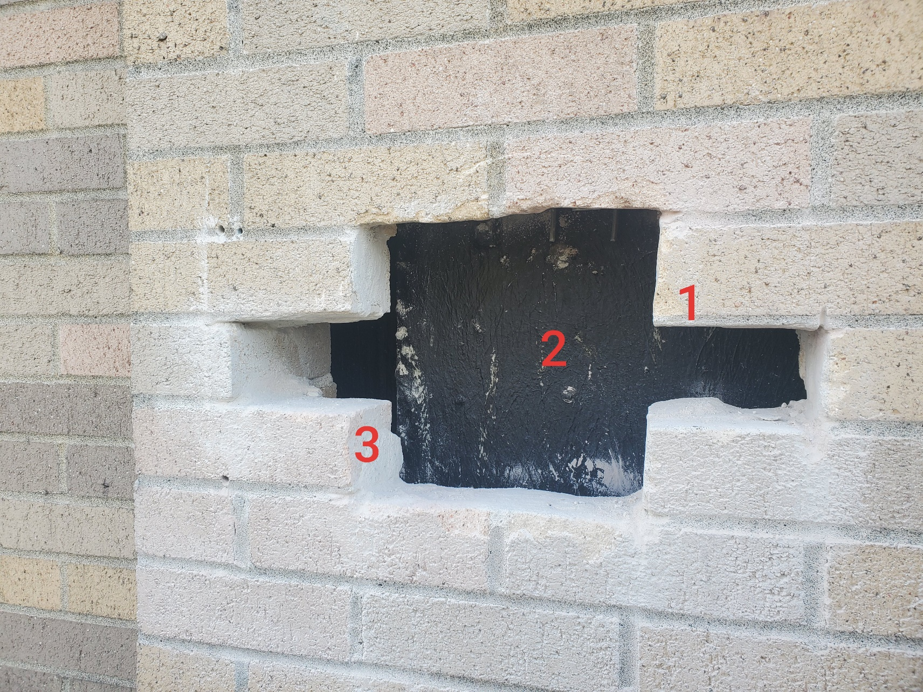

Survey No | INIS-010620-903
Date | 2020-01-04
Survey Tech | M. Renderos /D. Beckstrom
Count Room Tech | M. Pinion
Date Counted | 2020-01-06
Survey Type | Characterization
Level of Posting | RCA
Comments

